ABISEKA (FRESH MILK)
DATE | INV NO. | DESCRIPTION | QUANTITY | PRICE | BILLS | SUBTOTAL | TOTAL | DUE DATE | PAYMENT STATUS | Rp810,000
4-Mar-2026 | 8485 | FRESH MILK | 20 | IDR 13,500 | 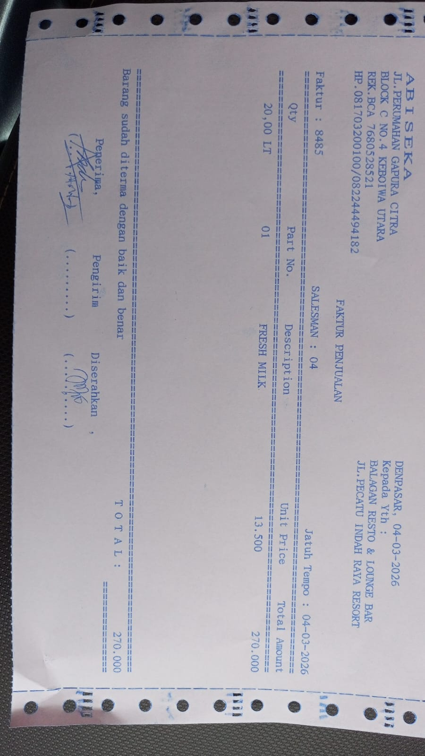 | IDR 270,000 | IDR 270,000 | 2026-03-18 | PAID
13-Mar-2026 | N/A | FRESH MILK | 20 | IDR 13,500 | 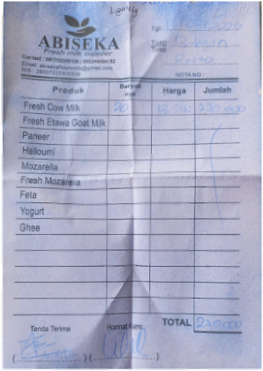 | IDR 270,000 | IDR 270,000 | 2026-03-27 | PAID
17-Mar-2026 | N/A | FRESH MILK | 15 | IDR 13,500 | 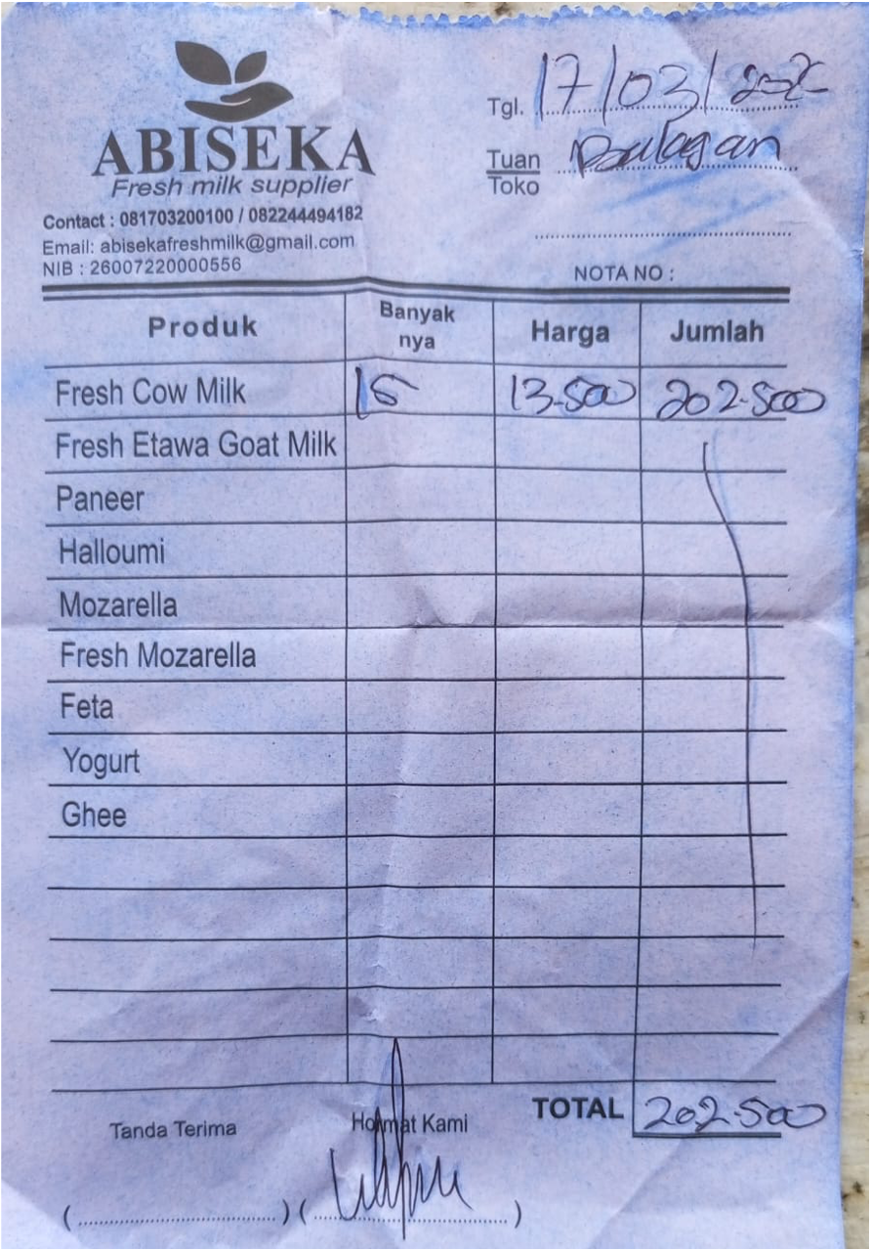 | IDR 202,500 | IDR 202,500 | 2026-03-31 | PAID
23-Mar-2026 | N/A | FRESH MILK | 30 | IDR 13,500 | 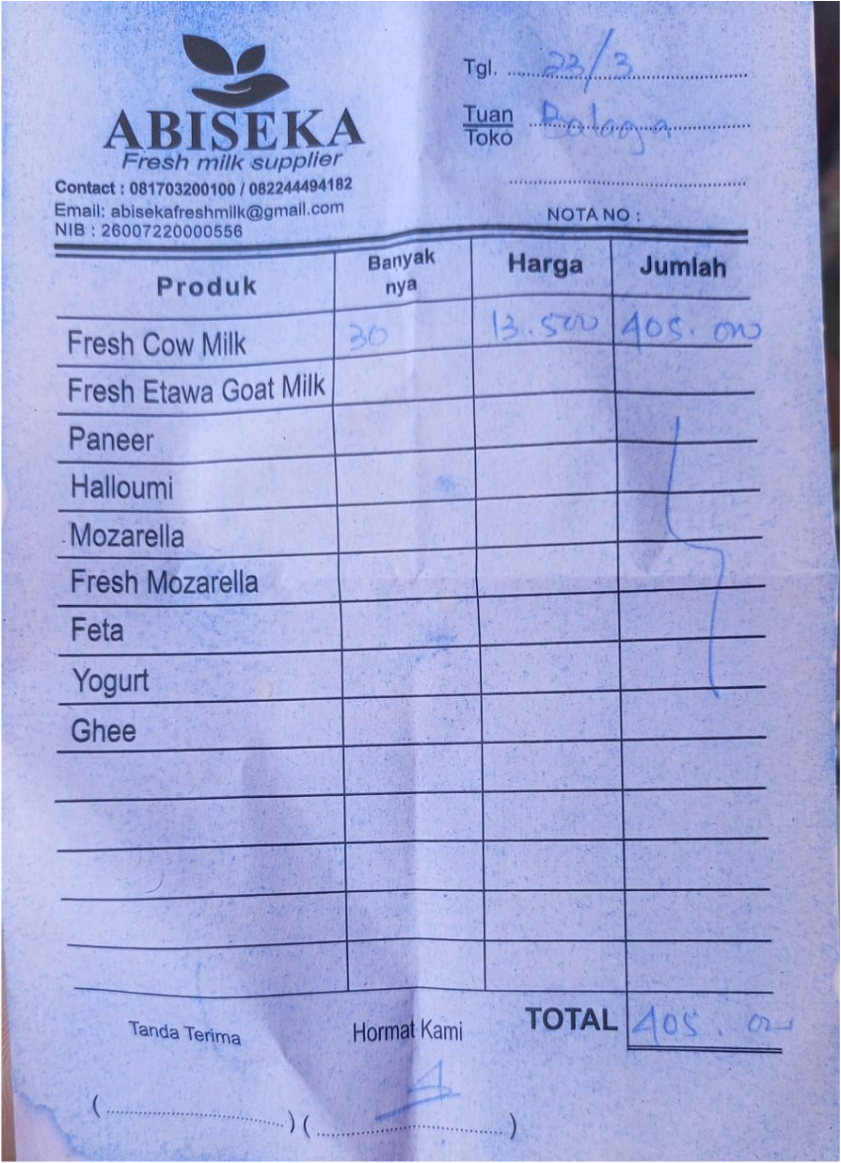 | IDR 405,000 | IDR 405,000 | 2026-04-06 | PAID
28-Mar-2026 | 8847 | FRESH MILK | 30 | IDR 13,500 | 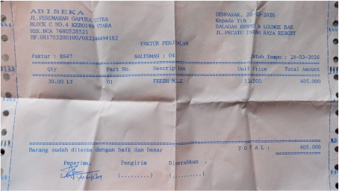 | IDR 405,000 | IDR 405,000 | 2026-04-11 | UNPAID
31-Mar-2026 | 8882 | FRESH MILK | 30 | Rp13,500 | 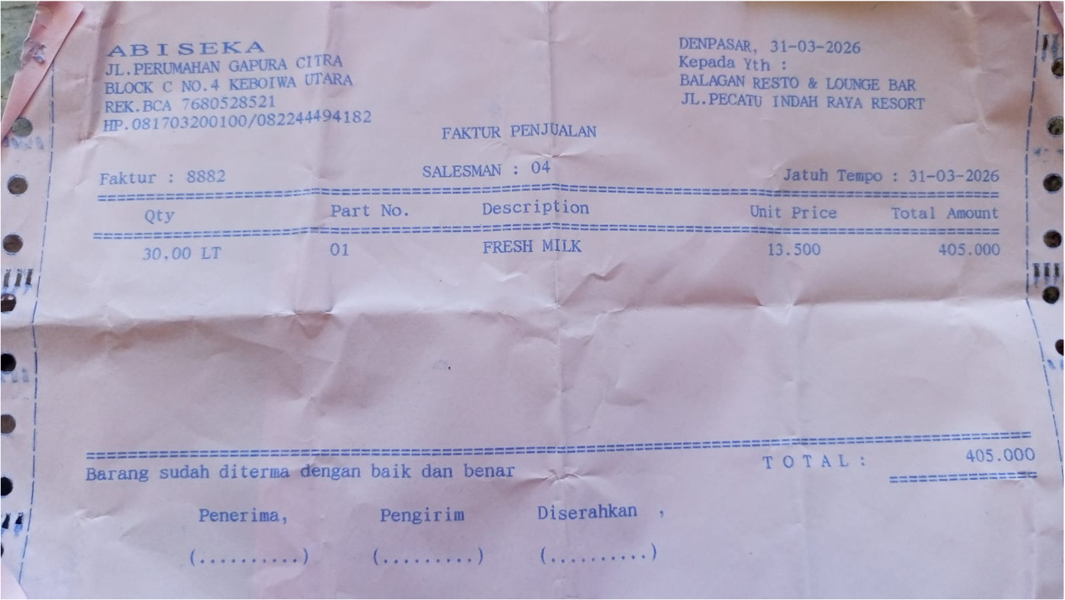 | IDR 405,000 | IDR 405,000 | 2026-04-14 | UNPAID

 |  |  |  | Rp810,000

